Top 5 Countries
Top 5 Countries Based on Number Of Restaurants
Row Labels | Count of RestaurantID
South Africa | 60
Brazil | 60
United Kingdom | 80
United States | 434
India | 8652
Grand Total | 9286

Top 5 Cities
Row Labels | Count of RestaurantID
Ghaziabad | 25
Faridabad | 251
Top 5 Cities
Noida | 1080
Gurgaon | 1118
New Delhi | 5473
Grand Total | 7947

YearWise Openings
Row Labels | Count of RestaurantID
2010 | 1080
2011 | 1098
Yearwise Openings
2012 | 1022
2013 | 1061
2014 | 1051
2015 | 1024
2016 | 1027
2017 | 1086
2018 | 1102
Grand Total | 9551

QuarterWise Openings
Row Labels | Count of RestaurantID
Qtr1 | 2329
Qtr2 | 2393
Qtr3 | 2460
Qtr4 | 2369
Grand Total | 9551

QuarterWise Openings

MonthWise Openings
Row Labels | Count of RestaurantID
Jan | 746
Feb | 745
MonthWise Openings
Mar | 838
Apr | 798
May | 780
Jun | 815
Jul | 826
Aug | 796
Sep | 838
Oct | 801
Nov | 779
Dec | 789
Grand Total | 9551

Restaurant Based on Avg Ratibgs
Row Labels | Count of RestaurantID
1-2 | 2158
2-3 | 1891
3-4 | 4388
Count Of Restaurant Based On Average Rating
4-5 | 1114
Grand Total | 9551

Avg Price Of Resonable Size
Average Price of reasonable size
Row Labels | Count of RestaurantID
0-50 | 9370
50-100 | 144
100-150 | 24
150-200 | 2
200-250 | 2
250-300 | 5
300-350 | 1
400-450 | 2
450-500 | 1
Grand Total | 9551

"Has_Table_booking"
Percentage of Resturants based on "Has_Table_booking"
Row Labels | Count of RestaurantID
Yes | 12.12%
No | 87.88%
Grand Total | 100.00%

"Has_Online_delivery"
Percentage of Resturants based on "Has_Online_delivery"
Row Labels | Count of RestaurantID
Yes | 25.66%
No | 74.34%
Grand Total | 100.00%

Top 10 Cuisines
Row Labels | Average of Average_Cost_for_two(In USD)
French, Mediterranean, European | $500.00
European, Asian, Indian | $438.00
Top 5 Cuisines Based Avg Cost Of Two
Chinese, Continental, Singaporean | $300.00
Chinese, Seafood, Cantonese, Dim Sum | $300.00
Seafood, Asian, Filipino, Indian | $292.00
Grand Total | $366.00

Top 10 Cities Based On Avg Cost
Top 5 Cities Based On Avg Cost Of Two
Row Labels | Average of Average_Cost_for_two(In USD)
Bandung | $10
Bogor | $11
Tangerang | $17
Jakarta | $21
Pasay City | $243
Grand Total | $47

Avg Cost Of Two Based On Avg Ra
Row Labels | Average of Average_Cost_for_two(In USD)
1-2 | $4.18
2-3 | $6.36
3-4 | $11.05
Avg Cost Of Two Based On Avg Rating
4-5 | $24.11
Grand Total | $10.09

Dashboard
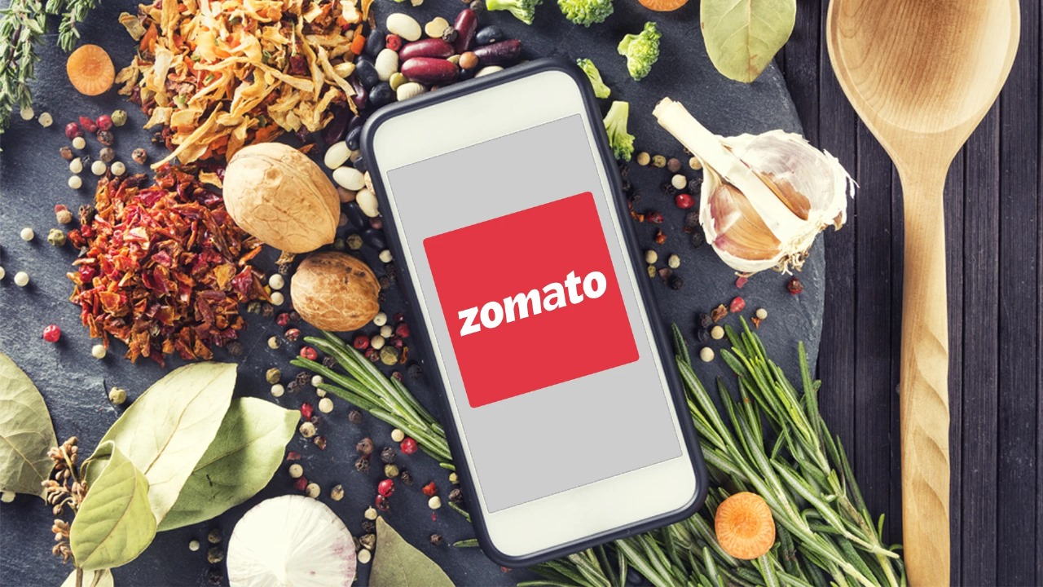
Zomato Analysis Dashboard
Dashboard 2

Total Restaurants
Total Avg Cost Of Two

9551
1199.21

Top 5 Countries Based on Number Of Restaurants
 | Total
South Africa | 60
Brazil | 60
United Kingdom | 80
United States | 434
India | 8652
Top 5 Cities Based on Number Of Restaurants
 | Total
Ghaziabad | 25
Faridabad | 251
Noida | 1080
Gurgaon | 1118
New Delhi | 5473
Yearwise Openings
 | Total
2010 | 1080
2011 | 1098
2012 | 1022
2013 | 1061
2014 | 1051
2015 | 1024
2016 | 1027
2017 | 1086
2018 | 1102

MonthWise Openings
 | Total
Jan | 746
Feb | 745
Mar | 838
Apr | 798
May | 780
Jun | 815
Jul | 826
Aug | 796
Sep | 838
Oct | 801
Nov | 779
Dec | 789
QuarterWise Openings
 | Total
Qtr1 | 2329
Qtr2 | 2393
Qtr3 | 2460
Qtr4 | 2369
Count Of Restaurant Based On Average Rating
 | Total
1-2 | 2158
2-3 | 1891
3-4 | 4388
4-5 | 1114

Dashboard (2)
Zomato Analysis Dashboard
Home

Percentage of Resturants based on "Has_Table_booking"
 | Total
Yes | 12.12%
No | 87.88%
Percentage of Resturants based on "Has_Online_delivery"
 | Total
Yes | 25.66%
No | 74.34%
Avg Cost Of Two Based On Avg Rating
 | Total
1-2 | $4.18
2-3 | $6.36
3-4 | $11.05
4-5 | $24.11

Top 5 Cuisines Based Avg Cost Of Two
 | Total
French, Mediterranean, European | $500.00
European, Asian, Indian | $438.00
Chinese, Continental, Singaporean | $300.00
Chinese, Seafood, Cantonese, Dim Sum | $300.00
Seafood, Asian, Filipino, Indian | $292.00
Top 5 Cities Based On Avg Cost Of Two
 | Total
Bandung | $10
Bogor | $11
Tangerang | $17
Jakarta | $21
Pasay City | $243
Average Price of reasonable size
 | Total
0-50 | 9370
50-100 | 144
100-150 | 24
150-200 | 2
200-250 | 2
250-300 | 5
300-350 | 1
400-450 | 2
450-500 | 1

